Figure 1 - HIMA highlights
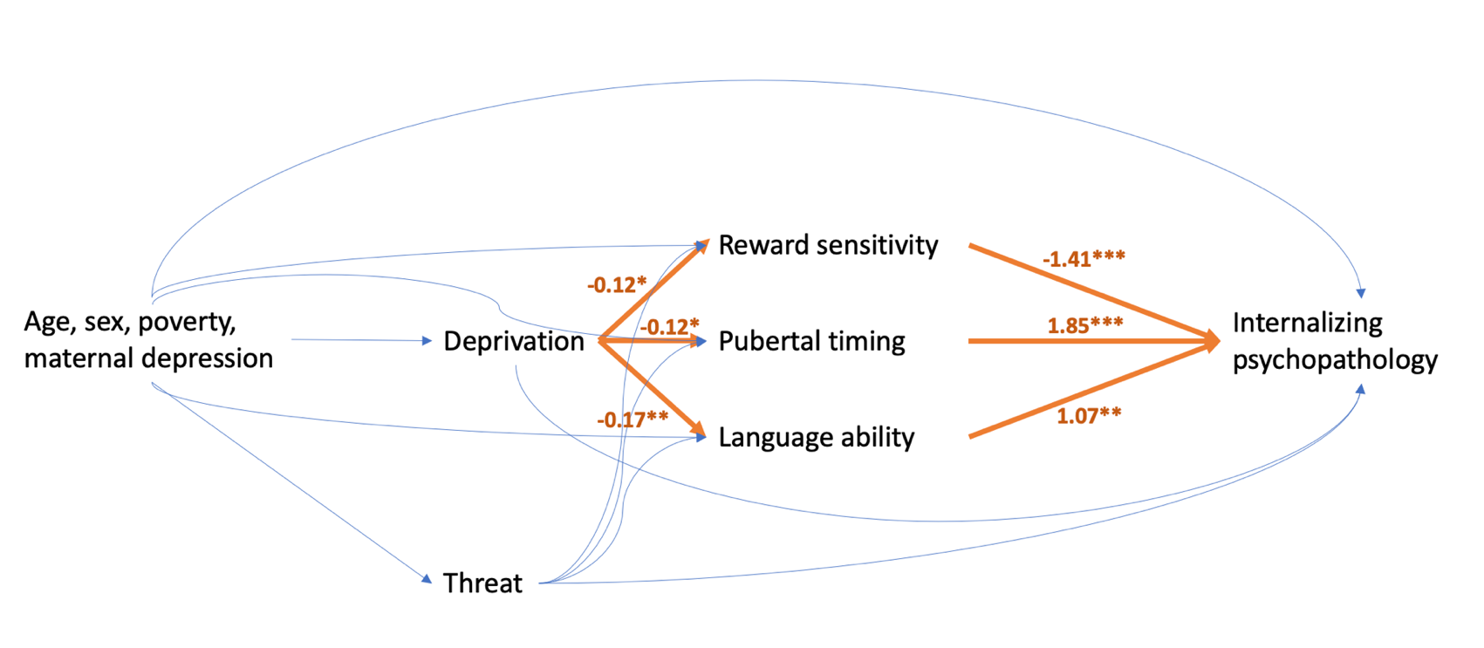
High-dimensional mediation results for deprivation and self-reported internalizing symptoms
mediator | Deprivation-Mediator coefficient (95% CI) | Mediator-Outcome coefficient, 95% CI) | Deprivation-Outcome coefficient (95% CI) | Joint p-value
RS: Difference in reaction time on high-reward vs no-reward trials | -0.12(0.02,-0.27) | -1.41(-0.29,-2.52) | 2.74(1.22,4.25) | 0.0970
PT: Tanner staging | -0.12(0.01,-0.26) | 1.85(0.52,3.19) | 2.74(1.22,4.25) | 0.0684
AL: Language ability | -0.17(-0.03,-0.31) | 1.07(0.10,2.03) | 2.74(1.22,4.25) | 0.0299

Figure 1: High-dimensional mediation results for deprivation and self-reported internalizing symptoms

Figure 2 - LPs
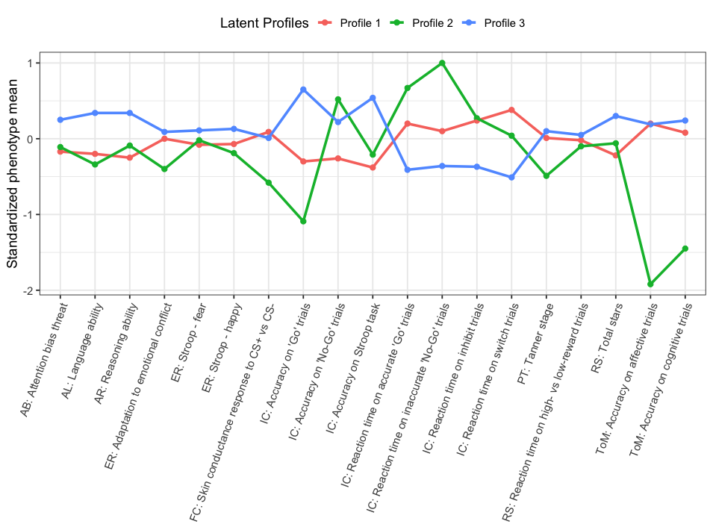

**Not changed by INT/EXT imputation

